DRAWSHEET
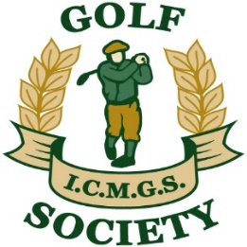 SOCIETY MATCHPLAY CHAMPIONSHIP 2022
Initial Round | Last 16 | Quarter Finals | Semi Finals | Final

Play prior to June 30 | Play prior to July 31 | Play prior to Aug 15 | Play prior to Aug 31 | Play prior to Sep 15

Doug Cussons

Bernie Dullea

Bob Saylor

Tommy Porter

Pat Murray
 | Pat Murray

Jim Gilchrist

Kevin Loughnane

Jim Douglas

Lawrence Brent

Garry O'Sullivan

Jim Patton

Maurice Cussen
 | Maurice Cussen

B. Baragwanath

George Caddoo

Kieran O'Connor | Kieran O'Connor

Lee Morley

Kevin Arey

Declan Kidd | Declan Kidd

Danny Kearns - W/D | John Rudden

John Rudden

Sheelagh Byrne

Declan Neary

Jimmy Fay | Jimmy Fay

Tom Mulvany

Martin Sumner

Kevin Barry

Martin Dullea

