DRAWSHEET
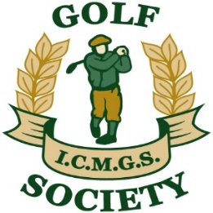 SOCIETY MATCHPLAY CHAMPIONSHIP 2022
Initial Round | Last 16 | Quarter Finals | Semi Finals | Final

Play prior to June 30 | Play prior to Aug 15 | Play prior to Oct 15 | Play prior to Oct 18 | Play prior to Oct 21

Doug Cussons
 | Doug Cussons
Bernie Dullea
 |  | Doug Cussons
Bob Saylor
 | Tommy Porter W/D
Tommy Porter
 |  |  | Pat Murray
Pat Murray
 | Pat Murray

 |  | Pat Murray
Jim Gilchrist
 | Jim Gilchrist
Kevin Loughnane

Jim Douglas
 | Brent Lawrence
Brent Lawrence
 |  | Jim Patton
Ian MacMullin W/D
 | Jim Patton
Jim Patton
 |  |  | Jim Patton
Maurice Cussen
 | Maurice Cussen

 |  | Maurice Cussen
B. Baragwanath
 | George Caddoo
George Caddoo

Kieran O'Connor | Kieran O'Connor

 |  | Kieran O'Connor

Lee Morley | Lee Morley

Kevin Arey W/D |  |  | John Rudden

Declan Kidd | Declan Kidd

 |  | John Rudden

Danny Kearns - W/D | John Rudden

John Rudden

Sheelagh Byrne | Sheelagh Byrne

Declan Neary |  | Sheelagh Byrne

Jimmy Fay | Jimmy Fay

Tom Mulvany | Martin Sumner

Martin Sumner |  | Martin Sumner

Kevin Barry | Martin Dullea

Martin Dullea

